ACCESSIBILITY REQUIREMENTS
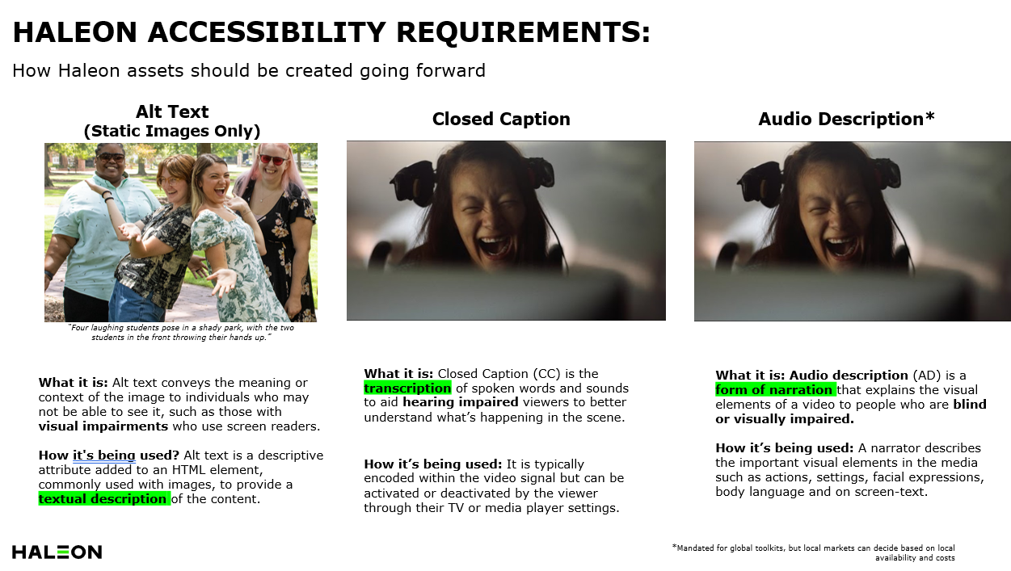

*Mandate for MEA Assets

